ITP-003
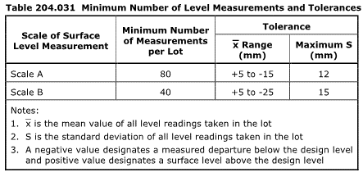
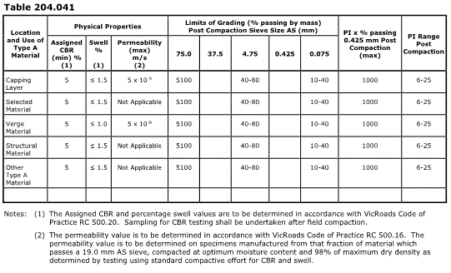
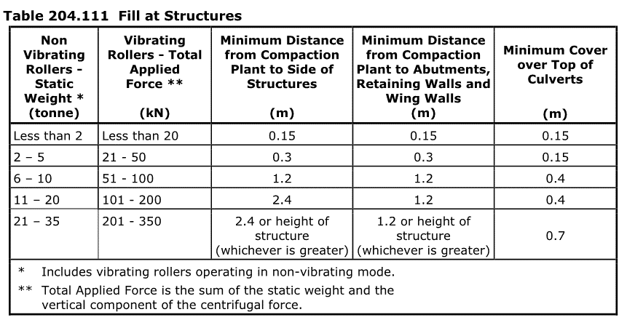
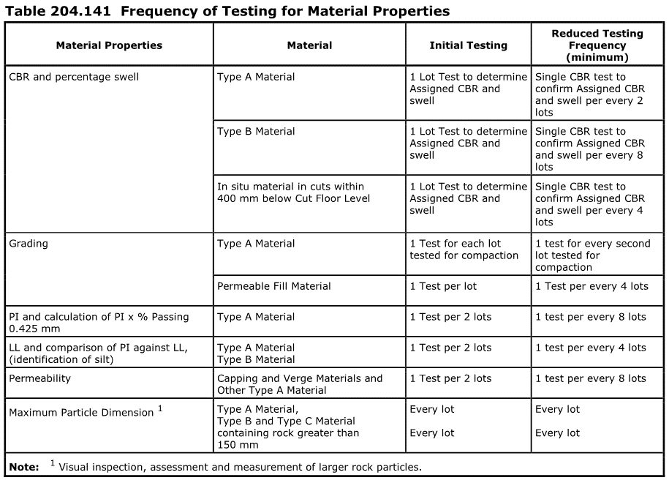
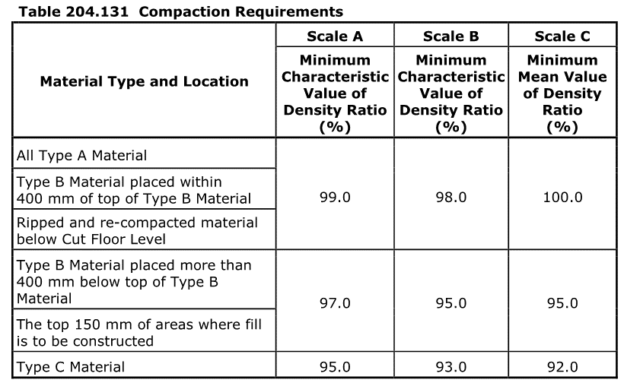
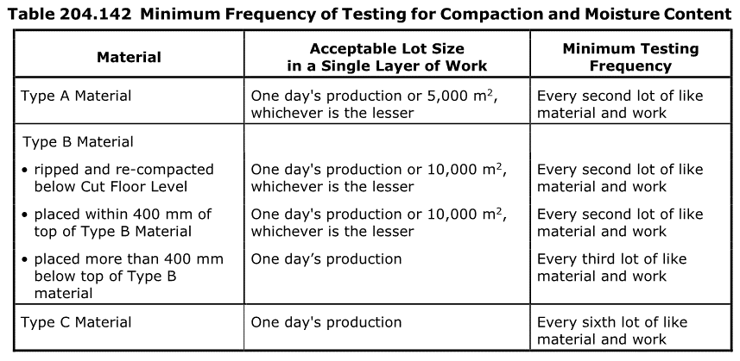
 |  |  | Inspection and Test Plan - Control and Supervision of the Works |  |  |  |  |  |  |  | Document # ITP-014
 |  |  |  |  |  |  |  |  |  |  | Revision : 0 | Date : 01/11/2024

Client: |  | Department of State Growth |  | Construction Process: |  | Prepared by: | Patrick Schurink-M | Reviewed by : |  |  | Approved by :
Project: |  | Davey To Macquarie Street Connection - Roadworks |  | Watermain Relocation |  | Name: | Patrick Schurink-M | Name: |  |  | Name:
 |  |  |  | Specifications: Specifications Section 204, Contract Specific Clauses, EMP, TMS
Contract No: |  | 3741 |  | Structure / Component: Water Main (service relocation) |  | Signed : | PSMoeller | Signed : |  |  | Signed :
 |  |  |  | Location: 326 Macquarie St |  | Date : | 2024-11-13 | Date : |  |  | Date :

Lot No: |  |  | Lot Details: |  |  |  |  |  | Lot Size/ Quantity:

Item | Task/Activity Description |  | Inspection / Controls and Verification Detail |  |  |  |  | HP/ WP/ AP/ IP/ TP/ SCP | Responsibility | Checked by:
No. |  |  | Frequency | Acceptance Criteria | Reference Documents | Inspection / Test Method | Record of conformity |  | Project Engineer Site Engineer Superintendent Surveyor Foreman | Client | Fulton Hogan | Independent QA Verifier | Date
1 | Preliminary Works
1.1 | Obtain the TasWater Engineering Design Approval |  | Prior to commencing any activity | Ensure that project drawings are listed on the engineering design approval document and that it has not expired during time of construction |  | verify | This ITP signed off | HP* | Site Engineer / Site Foreman |  |  | N/A
1.2 | Pre job-start meeting with TasWater |  | Prior to commencing any activity | Prior to receiving the permit to construct, a pre-start meeting between responsible contractor and TasWater relevant project manager and ground crew is to be held on site. |  | verify | This ITP signed off | HP* | Site Engineer / Site Foreman |  |  | N/A
1.3 | Apply for and obtain permit to construct |  | Prior to commencing any activity | prepare and submit application for a permit to construct no less than 10 business days before commencing any activities. |  | verify | This ITP signed off | HP* | Site Engineer |  |  | N/A
1.4 | Preparation and submission of construction management plan |  | Prior to commencing any activity | Prepare a construction management plan. This must detail how the new TasWater infrastructure will be constructed while maintaining current levels of services provided by TasWater to the community. The construction plan must also include a risk assessment and contingency plans covering major risks to TasWater during any works. The construction plan must be to the satisfaction of TasWater. |  | verify | This ITP signed off | AP | Site Engineer | N/A |  | N/A
1.5 | Request and schedule booking for a witness pressure test with TasWater |  | Prior to commencing any activity | After new section of main is installed, TasWater must witness a pressure test of the new section of main. |  | verify | This ITP signed off | WP HP* | Site Engineer | N/A |  | N/A
1.6 | Request and schedule the isolation and cuttover to new infrastructure |  | Prior to commencing any activity | A permit for shutdown must be applied for through the TasWater Application for Development Services portal. A minimum of 2 weeks notice must be given to TasWater before required service isolation so that affected residents and businesses can be made aware through a letter drop |  | verify | This ITP signed off | HP* | Site Engineer / Site Foreman | N/A |  | N/A
1.7 | Check for correct documentation |  | Prior to commencing any activity | Ensure that all employees and subcontractors are: - using the correct and complete set of drawings -all drawings are the latest revision | Drawings and drawing registers | Visual inspection | This ITP signed off | HP* | Site Engineer | N/A |  | N/A
1.8 | Implementation of all measures and controls |  | Prior to commencing any activity | All necessary measures and controls are being implemented, that is: PMP, EMP, TMP, JSEA, SWMS & Work Pack | PMP, EMP, TMP, JSEA, SWMS, Work Pack | Visual Inspection | This ITP signed off | HP* | Site Engineer / Site Foreman | N/A |  | N/A
2 | Construction Works
2.1 | Survey Set-Out |  | Prior to commencement of excavation | Area has been set out in accordance with the drawings | Work Procedure | Verify | This ITP signed off | IP | Site Engineer/ Surveyor | N/A |  | N/A
2.2 | Excavation Permit |  | Each lot | An excavation permit must be issued prior to any excavation commencing. Plant and equipment shall be appropriate for the task. Excavation operations shall not disturb areas outside the limit of excavation | Excavation permit | Verify | This ITP Signed Off | HP* | Site Engineer | N/A |  | N/A
2.3 | Vacuum excavation of trench |  | Each lot | As above with excavation permit. Ensure any known and previously proven services are marked on the ground prior to excavation commencing. | Excavation permit | Verify | This ITP Signed Off | HP* | Site Engineer | N/A |  | N/A
2.4 | Installation of pipework (including new property connection). |  | Each lot | Pipework is installed as per certified and approved Water Main Relocation design drawings | A1071.005 Sheet 0240,0241 | Verify | This ITP Signed Off | HP* WP |  |  |  | N/A
2.5 | Installation of thrust blocks (temporary and permanent) |  | Each lot | Thrust blocks are installed as per MRWA-W-204 | MRWA-W-204 | Verify | This ITP Signed Off TasWater written approval | HP* | Site Engineer |  |  | N/A
2.6 | TasWater Inspection |  | Each lot | Installation of pipes/valves/hydrants/thrust blocks prior to backfill | TasWater Permit to Construct | Visual Inspection | This ITP Signed Off | HP* WP | Site Engineer TW representative
2.7 | back-fill of trench for purpose of pressure testing |  | Each lot | Pipework is back-filled as per A0171.005 using pipe embedment to either WSA-PS-361 if 5mm clean back-fill or WSA-PS-360 if sand to 70% compaction and 20mm crushed rock to 95%R compaction above. | A0171.005 Sheet 0240, 0241 WSA-PS-360 OR WSA-PS-361 | Verify | This ITP Signed Off Delivery dockets Compaction test results | HP* | Site Engineer | N/A |  | N/A
2.8 | Removal of old section of water main |  | Each lot | Removal of existing water main following successful cuttover to new section of water main. Method of removal will be mechanical excavation. | Work Procedure | Verify | This ITP Signed Off | HP* WP | Site Engineer | N/A |  | N/A
3 | Testing
3.1 | Pressure Testing of new pipework |  | Each Lot | Hydrostatic Pressure testing 1.25 times the designed working pressure as claculated by the Supervising Engineer in accordance with section 19.4 of WSA 03-2011-3.1 Water Supply Code of Australia Part 2: Construction Third Version 3.1 | WSA 03-2011-3.1 | Verify | This ITP Signed, Test Records, TasWater written approval | TP WP HP* | Site Engineer TW representative |  |  | N/A
3.2 | Cut-Over |  | Each Lot | TasWater to isolate existing watermain to allow for the cut-over from the existing section of water main to new. | A1071.005 Sheet 0240,0241 | Verify | This ITP Signed, Test Records, TasWater written approval | TP WP HP* | Site Engineer TW representative |  |  | N/A
 | Final Inspection
 | The signature below verifies that this ITP has been completed in accordance with the FH’s Quality system Procedures and verifies lot compliance with specifications.
 | Print Name: |  | Position: |  | Signature: |  |  |  |  | Date: / /

Legend
HP | Hold Point | Work shall not proceed past the HP until released by the Superintendent |  |  | IP | Inspection point |  | Formal Inspection to be done and recorded
HP* | FH Hold Point | Work shall not proceed past the HP* until released by FH |  |  | TP | Test Point |  | Product compliance test to be undertaken and recorded/reported
WP | Witness Point | An inspection which must be witnessed by the Superintendent |  |  | SCP | Survey conformance point |  | A qualified surveyor to check product/section/structure and report
AP | Approval Point | Written or verbal approval given by the Superintendent

